bulbs
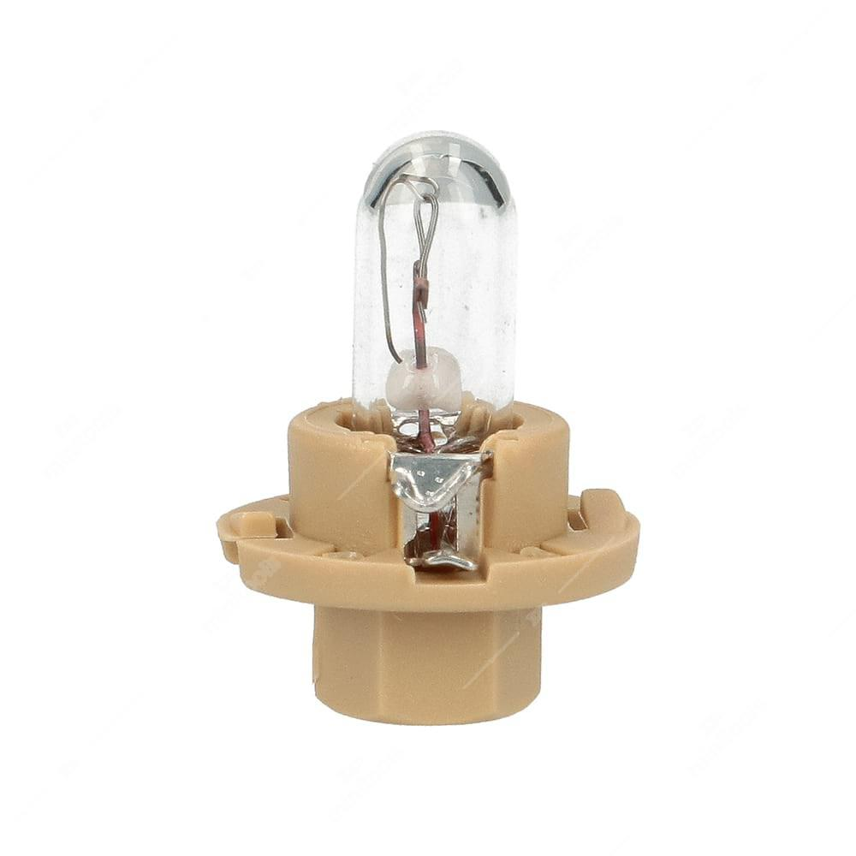
Description | Actual Quantity
12V 24W BA15D | 17
12V 36W BA15D | 32
6V 0.6W MES | 120
24V 30MA W2x4.6D 5mm | 50
12V 1.2W W2.1x9.5D 10mm | 130
6V 45/40W BA21D | 20
6v 45/40w BA21D Yellow | 49
24V 36W BA15D | 24
24V 48W BA15D | 28
24V 5W BA15S HALOGEN (E1) | 10
6V 15W P26S | 21
6V 15W P26S HALOGEN | 5
12v 15w P26S | 27
12v 48w P36S HALOGEN | 17
6V 5W BA15D | 70
12v 5w BAW15S RED | 20
12V 5W BA15S HALOGEN | 29
12V 21W BA15S MOTORCYCLE 19mm | 40
12V 21W BA15S M/CYCLE AMBER 19mm | 50
12V 5W MES E10 | 130
12V 15W BA15S 26mm | 223
12V 15W BA15D 19mm | 110
12V 15W BA15S 19mm | 200
12V 15W BA15D 26mm | 70
24V 15W BA15S | 90
24V 15W BA15S 19mm | 80
24V 5W BA9S | 250
12V 4W BA9S AMBER | 70
12V 4W BA9S COBALT | 70
12V 45W BA15S | 16
12V 5W FESTOON 11x43mm | 70
24V 18W BA15S | 20
24V 25W BA15S | 20
24V 21W BA15S HALOGEN (E1) | 18
24V 21W BA15S AMBER | 30
24V 5W FESTOON 11x38mm | 30
6V 10W BA15S | 170
6V 15W BA15S | 150
6V 10W BA15D | 120
12V 10W BA15S HALOGEN | 4
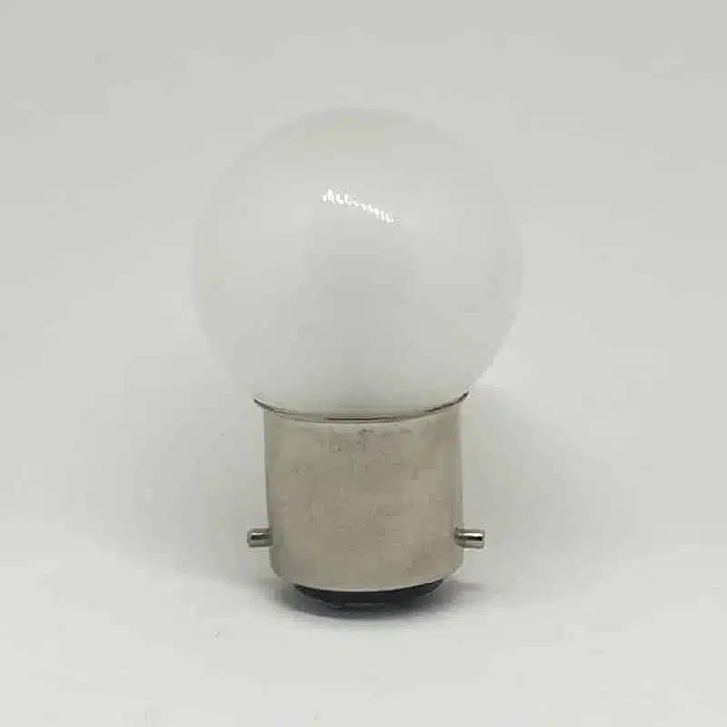
24V 10W BA15D | 140
24V 5W BA15D HEAVY DUTY | 100
24V 5W BA15S HEAVY DUTY | 110
12V 3W FESTOON 6x36mm | 50
24V 3W FESTOON 8x38mm | 130
24V 3W FESTOON 7x30mm | 130
24V 3W FESTOON 6x36mm | 210
6V 10W FESTOON 11x43mm | 50
6V 15W FESTOON 15x43mm | 98
6V 21W FESTOON 15x43mm | 90
12V 15W FESTOON 15x43mm | 62
24V 10W FESTOON 11x30mm | 60
12v 48w BA15D | 21
24V 10W FESTOON 11x43mm | 100
24V 10W FESTOON 11x38mm | 150
24V 15W FESTOON 15x43mm | 70
12V 1.5W LES | 120
6V 1.2W BA7S | 60
6V 1W W2x4.6D 5mm | 60
24V 1W BA7S | 100
12V 1.2W W2x4.6D 5mm BLUE GLASS | 150
12V 1.2W HRQ 5mm 1.50 BLACK | 85
12V 0.5W KW2x4.6D GREY | 80
12V 1.2W KW2x4.6D CLEAR | 127
12V 1.2W BX8.3D 2.00 GREY (FORD) | 60
12V 1.2W BG8.5 55D BLACK F/TRANSIT | 150
12V 2W BX8.3D 1.50 L/GREEN | 80
12V 1.2W SG8.5 55D 1.50 BLACK | 60
12V 1.5W BX8.4D 1.50 BEIGE | 140
12V 0.5W BX8.4D 1.50 GREY | 260
12V 1.2W BX8.4D 1.50 BLACK | 90
12V 1.2W BX8.3D 2.00 BLACK VW | 130
12V 1.8W EBSR VOLVO BLUE | 140
12V 1.1W BX8.4D 1.50 ORANGE | 210
12V 1W BX8.5D 1.50 ORANGE | 50
6V 2W BA9S | 160
12V 2W BA9S | 98
24V 2W BA9S | 60
24V 21W BA15S HEAVY DUTY | 68
24V 21W BA15D HEAVY DUTY | 97
6V 4W BA9S | 190
12V 27W W2.5x16D PCB | 14
12V 27W W2.5x16D PCB AMBER | 27
12V 27/7W W2.5x16Q PCB AMBER | 29
6V 18W BA15S | 89
6V 21W BA15S | 30
6V 21W BA15D | 96
12V 38W BPF P36D TRANSVERSE | 7
24V 44W BPF P36D TRANSVERSE | 7
24V 44W BPF P36D AXIAL | 5
24V 24W BA15D | 140
12V 21W BA15D HALOGEN | 3
24V 18W BA15D | 20
24V 24W BA15S | 90
28V 26W BA15D | 260
24V 21W BA15D | 300
24V 12W BA15D | 20
6V 18/18W MPF T19 | 12
7V 18/18W MPF T19 | 53
12V 25/25W MPF T19 HALOGEN | 26
12V 35/35W MPF T19 | 51
12V 35/35W MPF T19 HALOGEN | 31
12V 21/5W BAY15D RED | 10
12V 21/5W BAY15D YELLOW | 70
12V 21/5W BA15D LEVEL PIN | 40
12V 18W BA15S | 50
12v 21w Hal Beep | 23
12V 21W BA15S HALOGEN | 3
6V 45/40W BA20D | 37
6V 25/25W BA20D | 23
6V 35/35W BA20D | 37
6V 35/35W BA20D HALOGEN | 13
6V 35W BA20S | 27
12V 25/25W BA20D | 10
12V 35W BA20S | 13
12V 35/35W BA20D HALOGEN | 19
12V 35/35W BA20D HALOGEN BLUE | 49
12V 45/40W BA20D | 26
12V 45/40W BA20D HALOGEN | 89
12V 45W BA20S | 21
12V 45W BA20D | 43
24V 45/40W BA20D | 24
24V 45W BA20S | 83
24V 35W BA20S | 23
12V 45/40W P45T | 8
12V 45/40W P45T YELLOW | 25
12V 75/75W P45T | 33
6v 45/40w p45t Yellow | 38
24V 55/50W P45T | 24
12V 23W BA9S HALOGEN | 56
12v 6w BA9XS Halogen Amber | 1
12V 6W BAX9S OSP HALOGEN COBALT | 14
24V 5W BA9S HALOGEN | 5
12V 3W BD10D 1.50 BROWN HALOGEN | 13
6V 10W G4 CAPSULE HALOGEN | 50
24V 10W G4 CAPSULE HALOGEN | 20
24V 20W G4 CAPSULE HALOGEN | 11
24V 50W G4 CAPSULE HALOGEN | 10
12V 55W H1 COBALT XENON | 15
48V 45W H1 | 7
12V 55W H1 PERFORMANCE+50% | 7
12V 55W H1 PERFORMANCE+50% TWIN | 3
12V 55W H3 UV HALOGEN | 32
12V 35W H3 UV HALOGEN | 29
48V 60W H3 | 10
12v 55w H3 Performance + 50% | 3
12V 55W H3 SUPER+30% | 8
12V 55W H3 POWERWHITE | 8
6V 55W H3 HALOGEN | 39
6V 25W H3 HALOGEN | 26
24V 70W H3 HALOGEN | 16
6V 55W H1 HALOGEN | 24
12V 60/55W H4 COBALT XENON | 5
12V 60/55W H4 PERFORM+50% TWIN | 6
12V 60/55W H4 POWERWHITE | 5
12v 60/55w H4 H/DUTY + LONG LIFE | 24
24V 100/90W H4 P43T HALOGEN | 15
24v 75/70w H4 H/D | 7
6V 60/55W H4 P43T HALOGEN | 27
12V 130/90W H4 P43T HALOGEN | 10
12V 130/90W H4 P45T HALOGEN | 6
12V 55W H2 HALOGEN | 54
24V 70W H2 HALOGEN | 10
12V 100W H1 HALOGEN | 3
12V 100W H2 HALOGEN | 13
12V 100W H3 FOUR SEASON | 5
12V 100/80W H4 P43T HALOGEN | 16
12V 100/80W H4 FOUR SEASON | 4
12V 100/80W P45T HALOGEN | 4
12V 160/100W H4 P43T HALOGEN | 16
12V 130W H1 HALOGEN | 15
12V 130W H2 HALOGEN | 12
12V 130W H3 HALOGEN | 20
24V 100W H1 HALOGEN | 16
24V 100W H2 HALOGEN | 6
24V 100W H3 HALOGEN | 6
24V 130W H1 HALOGEN | 10
24V 130W H2 HALOGEN | 18
24V 130W H3 HALOGEN | 3
12V 5W W2.1x9.5D 10mm DARK BLUE | 100
12V 5W W2.1x9.5D 10mm HALOGEN | 11
6V 3W W2.1x9.5D 10mm | 80
12V 10W W2.1x9.5D 10mm HALOGEN | 13
P504 | 890
24V 3W W2.1x9.5D 10mm | 580
24V 1.2W W2x4.6D 5mm | 180
24V 1.2W W2x4.6D 5mm AMBER | 10
24V 1.2W W2x4.6D 5mm BLUE | 100
24V 1.2W B8.5D 2.00 GREY | 60
24V 1.2W BX8.3D 2.00 GREY | 150
24V 1.2W EBSR VOLVO GREEN | 120
12V 2.2W W2.1x9.5D 10mm | 90
12V 2.6W B12D 2.00 10mm WHITE (2CP) | 120
24V 2W B12.9D 1.50 10mm WHITE | 70
12V 1.1W T4.2x11.5mm | 110
12V 1.7W W2.1x9.5D 10mm | 140
6V 25/25W APF | 31
6V 35/35W APF | 44
24V 21/4W BAZ15D | 40
12V 21/5W BAW15D RED | 39
12V 35/35W APF | 13
12V 45/40W APF | 23
12V 21W BAU15S CLEAR | 40
24V 44W P36S | 22
24V 45W BA15S | 53
6V 3W BA9S | 170
12V 3W BA9S | 230
24V 2.8W MES | 190
24V 2.8W BA9S | 70
24V 6W FESTOON 11x38mm | 60
24V 1.5W LES | 80
24V 2.8W MES TUBULAR | 110
6V 35/35W RP30 | 42
6V 25/25W RP30 | 24
12V 35/25W RP30 | 33
12V 35/35W RP30 | 30
12V 45/40W RP30 | 21
6V 15/15W BAX15D | 5
6V 18/18W BAX15D | 30
12V 1.7W W2x4.6D 7mm | 50
12V 50W BA15S HALOGEN | 15
24V 50W BA15S HALOGEN | 14
12V 12W BA22D PEARL BUS BULB | 27
12V 12W BA15D PEARL BUS BULB | 130
12V 24W BA15D PEARL BUS BULB | 112
24V 12W BA22D PEARL BUS BULB | 54
24V 20W BA22D BUS BULB | 10
24V 24W BA15D BUS BULB | 30
24V 36W BA22D BUS BULB | 9
24V 2.8W BA9S | 80
24V 2.8W BA9S TUBULAR | 40
28V 7W BA15D | 620
12V 27W PGJ13 HALOGEN | 10
12.8V 50W PGJ13 HALOGEN BLACK | 10
12.8V 50W PGJ13 HALOGEN CLEAR | 15
12.8V 37.5W PGJ13 HALOGEN CLEAR | 23
12.8V 37.5W PG13 HALOGEN BLACK | 8
1.5V 0.09W MIN MS5S | 40
12V 65/45W HB1 P29T HALOGEN USA | 11
12V 60W HB3 COBALT XENON | 5
12V 60W HB3A HALOGEN | 7
12V 51W HB4 COBALT XENON | 11
12V 65/55W HB5 PX29T HALOGEN | 6
6V 6W MES | 90
6V 5W BA9S | 100
6V 3W MES | 120
HB24R | 5
HB24 | 16
HB24S | 7
P245 | 30
P245A | 30
P245D | 220
P245FY | 30
P245R | 170
P245T | 70
P246 | 620
P475 | 265
P150 | 1310
Total Quantity | 18,654

